TimeTracker
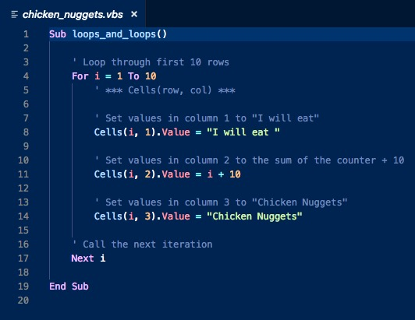
Lesson Plan 2.2 - Time Tracker
Time | Number | Duration | Activity | Priority
6:30 PM | 1 | 0:05 | Instructor Do: Welcome Students
18:35:00 | 2 | 0:16 | Partners Do: Warm-up Activity (Budget Checker)
18:51:00 | 3 | 0:10 | Instructor Do: Review Warm-up (Budget Checker) | In your discussion of Part I, be sure to point out the following: * First, we created a variable called `total` (as a double) to hold our full cost. * Next, we combined the price and (1 + tax) to calculate the full cost. * Finally, we entered the final cost into the total cell. Part II * First, we created a variable called `budget` to hold our budget amount. * We then compared the value of our budget against the total. * If the budget was greater than the total, we printed under budget. If greater, we printed over budget. Part III * First we needed to do some basic algebra to determine our formula for the new price. In this case new price was equal to the budget divided by (1 + tax). * We then stored the new price into a variable and used it with the tax to calculate the new total. * Finally, we changed the price and the total in the appropriate cells.
19:01:00 | 4 | 0:07 | Instructor Do: For Loop | basic_for_loop.vbs
19:08:00 | 5 | 0:10 | Students Do: Chicken Nugget Loop
19:18:00 | 6 | 0:05 | Instructor Do: Review Chicken Nuggets Loop
19:23:00 | 7 | 0:10 | Instructor Do: Loop Conditionals | conditional_loops.vbs modulus.vbs
19:33:00 | 8 | 0:20 | Students Do: Fizz Buzz | * If a number is divisible by just 3, then the code should print Fizz. * If a number is divisible by just 5, then the code should print Buzz. * If a number is divisible by both 3 and 5, then the code should print FizzBuzz.
19:53:00 | 9 | 0:10 | Instructor Do: Review Fizz Buzz
20:03:00 | 10 | 0:15 | BREAK
20:18:00 | 11 | 0:20 | Partners Do: Lotto Search | Match first/second/third place winners then 4 runner up
20:38:00 | 12 | 0:07 | Instructor Do: Review Lotto Search | Use nested IF statement
20:45:00 | 13 | 0:10 | Instructor Do: Nested For Loops | nested_for_loop_basic.vbs
20:55:00 | 14 | 0:25 | Students Do: Hornets Nest | Discuss nested_for_loop_basic.vbs as group
21:20:00 | 15 | 0:10 | Instructor Do: Review Hornets Nest
21:30:00 |  |  | END | In prepartion for next class ensure to install Anaconda 00-Prework/docs/modules/Conda_Installation.md

BudgetChecker
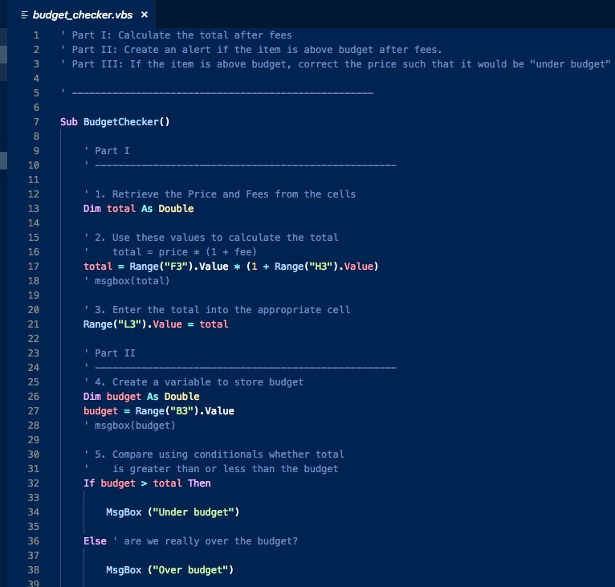

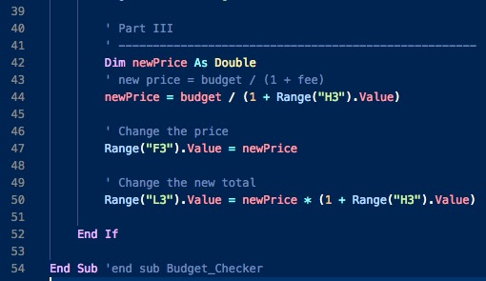

fizzBuzz
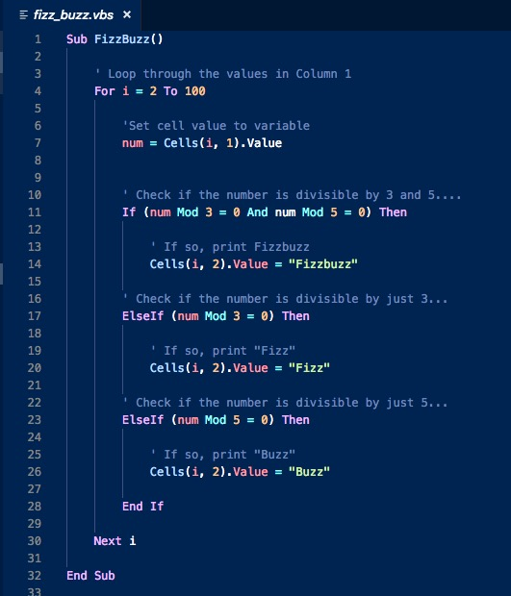

HornetsNest
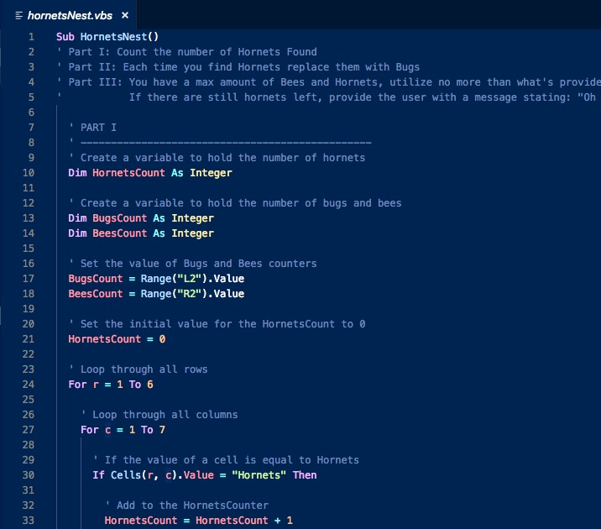

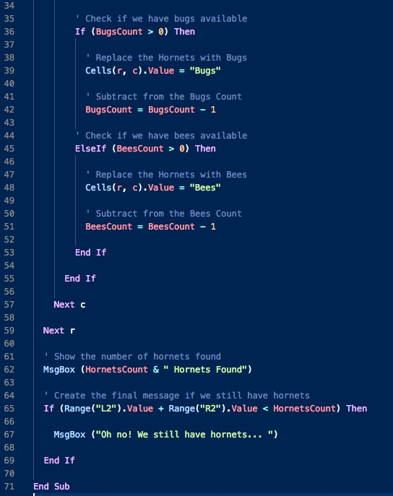

Lotto
